Worksheet new
WORKSHEET NO: | 1396 05 | bugatti | DENIM F/S17 | FASTENER |  |  | NL | S | R | I | P | H | Eng | RO | F 1+2 | Can | SLO | IND | CH
SUPP: | 201 | DATE | 2016-07-08 |  | OPEN | VELCRO | 1.0 | 2.0 |  | 1.5 |  |  |  | 0.5 | 2.0 |  |  |  | 0.5
GROUP | Alfa | DELIVERY |  |  | SNAP | ZIPPER | RK | PD | RB | MI | MOC | RD | MH | PÖ | ML | MZ | SI | PM | LA
STYLE NO: | 1396 | DELIVERY TO: | Fix in Pirmasens |  | BUCKLE |  |  |  |  | 0.5 |  |  |  |  | 0.5 | 0.5 | 1.0 | 0.5 | 2.0
COMBINATION : | Combi.5 | ARTICLE |  | * | LACES |  | KEY: |  | x = Keyartikel |  |  | 1.0 |  |  |  | SI 1 Pair to AGRA/BALORE
LAST/ SIZE | SCOOTER PH7526 42 | CODE | F4816-6-423 |  | SLIP ON |  | Total: |  | 12.5 |  |  | 11.5 |  |  |  | in PS latest 18.07.16
EAS from OLAP: | 13 HERREN SCHNURER | ORDER NO: |  |  | SLIP ON BOOT
UPPER | Material |  | COLOR | SUPPLIER |  |  | Remark
1 | TEXTILE WOVEN |  | BLUE pant 18-3918 | 201
2 | TEXTILE WOVEN |  | NAVY pant 19-3919 | 201
X
3 | TEXTILE WOVEN |  | BLUE pant 18-3918 | 201
4 | PLASTIC TPU |  | NAVY TRANSPARENT | 201
3M NAVY -GREEN Z0590 PRINTED
LINING material | MESH | colour | NAVY
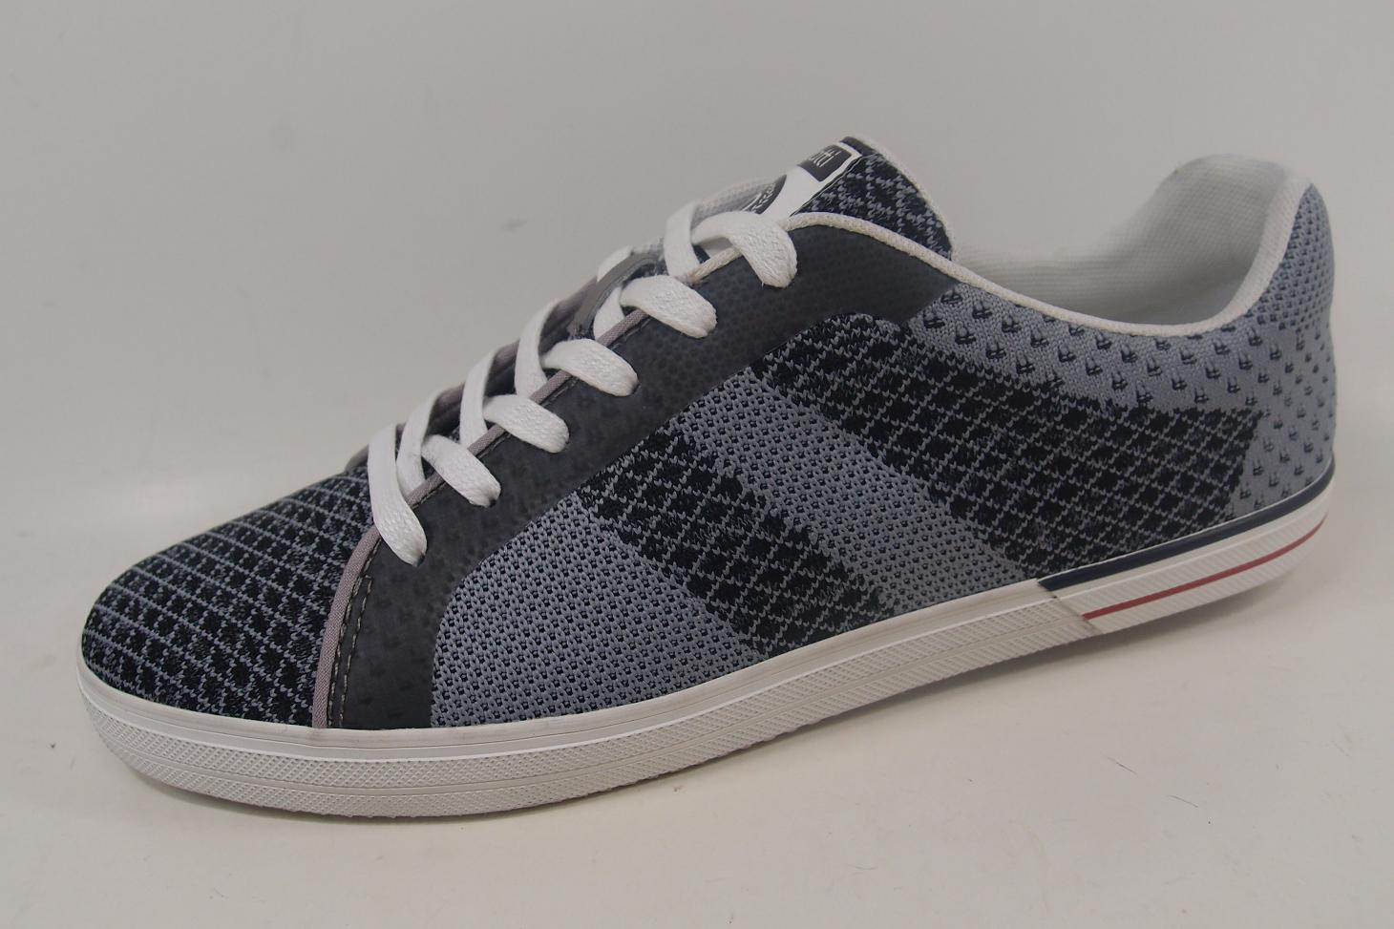
Supplier | 201 | Composition | TEXTILE
2
BORDER material |  | colour
NAVY TRANSPARENT TPU
Supplier
LINING warm (yes/no) | NO | EVA CUP (yes/no) | NAVY

NAVY MATT RUBBER
4
1
INSOCK material | LYCRA | colour | GREEN 263
Supplier | ZHONG XIN | Composition | TEXTILE
LABEL INSOCK | BUGATTI/SOFT FIT/DYNAMIC | colour | WHITE/NAVY
NAVY PIPING
2
3
INSOCK warm (yes/no) | NO | removable (yes/no) | NO
2
X
2
1
OUTSOLE /NAME | ALFA | OUTSOLE /colour | WHITE WELT/NAVY BOTTOM
Material | RUBBER | Supplier | ZHONG XIN
INSOLE | FLEXI | Supplier | 201
1
bugatti EMBROIDERY GREEN Z0590
SIDE LOGO | BUGATTI | HEEL HEIGHT
LACES /ELASTIC | 6 mm round cotton | colour | BLUE
EYELETS |  | colour
STITCHING | TKT 20 NAVY Z0047 | HAND STITCH.
DECO STITCHING |  | EMBROIDERY | GREEN Z0590
FINISH |  | LAST WIDTH | NORMAL
COUNTER STIFFENER | THERMO PLASTIC 1,2 MM (Ago) | TOE PUFF | STÁNDAR
UPPER HEIGHT |  | UPPER WIDTH
HANG TAG | DENIM/DYNAMIC/SOFT FIT | BUCKLE / VELCRO
 |  | colour

